Unacceptable Examples
I. Equipment
1.1 | No hollow areas or voids on equipment that hold water | 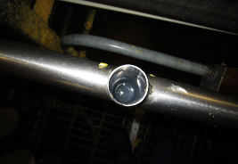 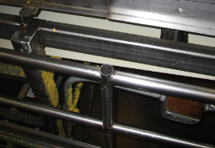
1.2 | No damaged/exposed insulation, or other porous surfaces that will hold water | 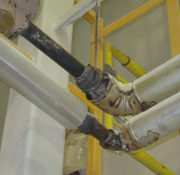 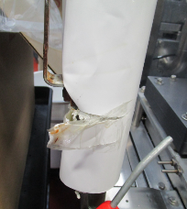
1.3 | No Condensation formation on ingredient delivery pipes, fillers, glycol-cooled systems, or other equipment surfaces | 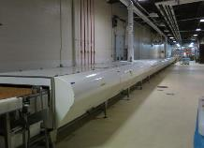 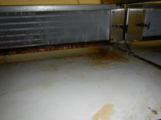
1.4 | No condensation or ice formation on in-process coolers or cooling conveyors
1.5 | No condensation or ice formation on spiral freezers, tunnel freezers, or other in-process freezers | 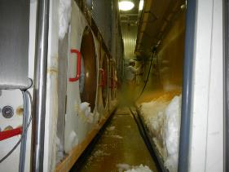 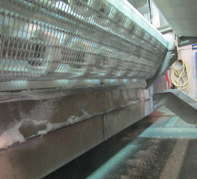
1.6 | No leaks on equipment piping, such as steam lines, pop-off (pressure relief) valves, water inlets, or other system components | 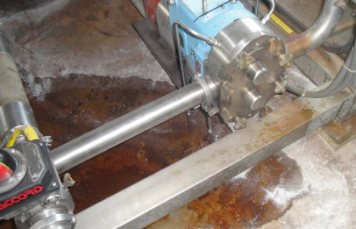
1.7 | All moisture (steam, water) is contained from cookers, extruders, or other systems
1.8 | Water from all product transfer systems, such as flume water, is contained | 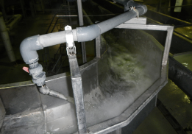
1.9 | Water from all product transfer systems, such as flume water is treated to prevent or reduce microbial growth
1.10 | No leaks on CIP or ACS systems, including pumps, valves, gaskets, or other components | 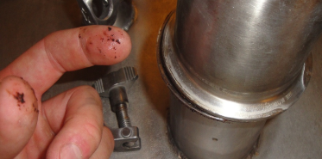
Not disassembed for cleaning
1.11 | Water application systems (belt washers, product misters/sprayers, etc.) are included in the sanitation program and are not contributing to product contamination. | 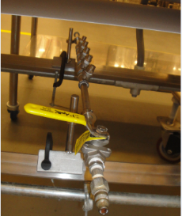 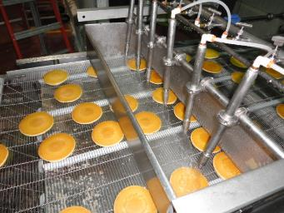
1.12 | No inaccessible areas, or areas that can not be fully inspected, such as mated surfaces, or unsealed, tight-fitting components (ex: rubber sleeves on drive rollers) | 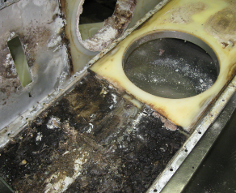
II. Infrastructrue
2.1 | No leaks, condensation, ice, or drips from the ceiling, roof drains, or other overhead structures | 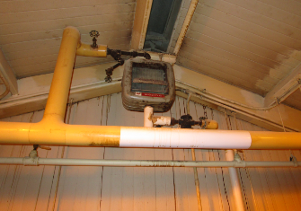 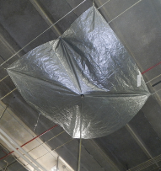
2.2 | No leaking pipes, drains, or other areas on water transfer systems
2.3 | No leaks from sanitation hoses, steam lines, or other wall-mounted plumbing | 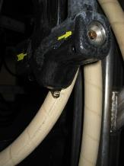 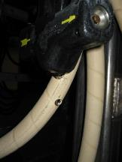 |  | 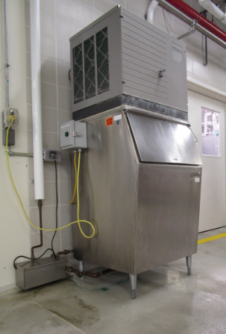
2.4 | All floor-wall junctions are properly sealed to prevent water ingress | 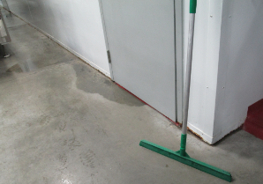
2.5 | Floors are in good repair, and are sloped in a way to prevent pooling water | 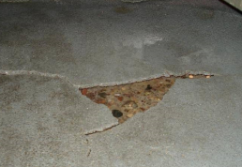 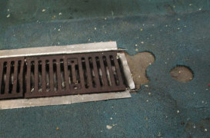 | water stream across the floor - SDP Training - need to be piping water to a drain, rather than letting run over the floor.
2.6 | Drains are in good repair and are installed in a way to prevent stagnant water | 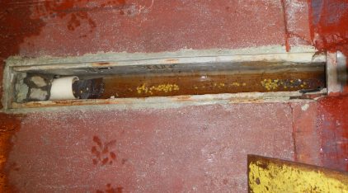
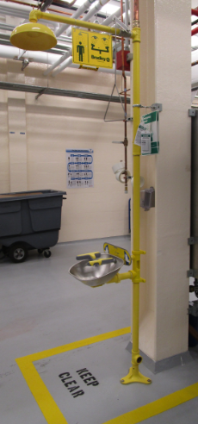
2.7 | No wall penetrations in wet-cleaned areas | 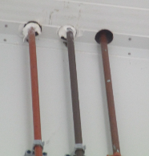
2.8 | No exposed or damaged insulation that may hold water | 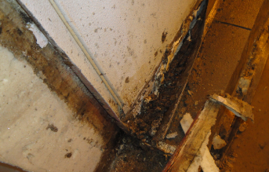
2.9 | HVAC and cooling units are properly maintained to prevent water ingress and condensation formation | 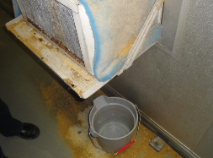 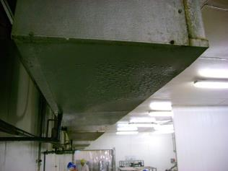
2.10 | No ice formation or condensation in or around product coolers or frozen storage warehouses | 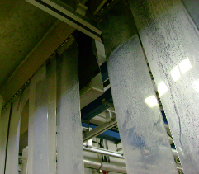 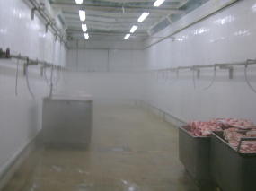 |  | 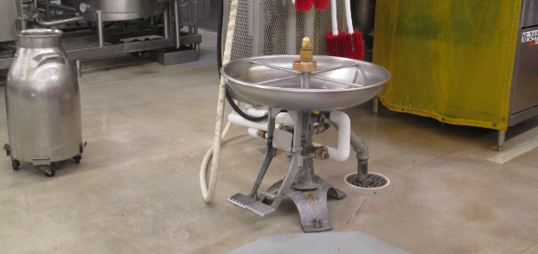
bucket catching leaks under sink.
2.11 | Hand wash sinks are properly installed to prevent moisture from accumulating on the surrounding environment | 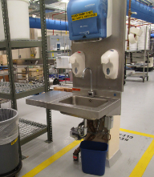
2.12 | Parts wash sinks, COP tanks, and automated parts washers are properly installed to prevent moisture from accumulating on the surrounding environment | 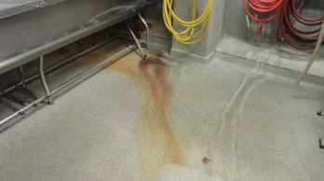
2.13 | Employee water stations/water fountains are properly installed to prevent moisture from accumulating on the surrounding environment
Condensation during hot days
2.14 | Seasonality affects the presence of moisture in the production environment and is not well controlled | 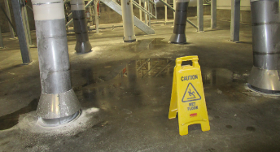 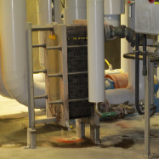
2.15 | Water stains from previous water control issues have been cleaned, allowing new leaks/drips to be seen. | 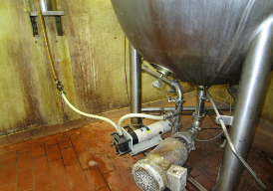
III. Operational Practices
3.1 | Floor or drains are not wet cleaned during production | 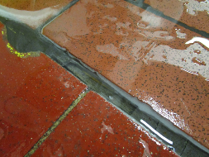
Residual water (no sanitizer) after operational clean
3.2 | Operational cleans done to remove product jams, or for product changeovers always include a sanitizing step | 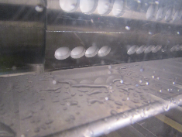
3.3 | Product spills during operation are not cleaned up with water hoses | 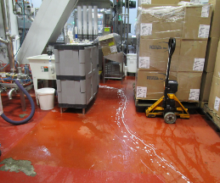
Boot scrubber not functioning, using granular quat after unit.
3.4 | If foot baths or foot foamers are used, are they routinely monitored for proper function/titration | 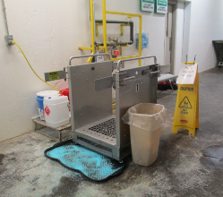
3.5 | Pooling water on the floor during production is immediately addressed and dried | 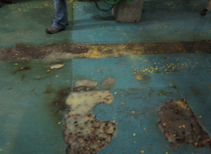
3.6 | Spray bottles are not allowed to be used for water only | 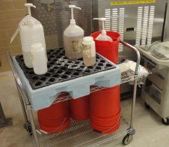
IV. Sanitation Practices
4.1 | Dry production areas are not wet cleaned | 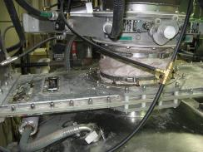 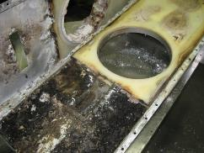
Wet Clean
Dry Clean
4.2 | There risk of overspray or moisture migration from wet cleaned to dry clenaed areas is well controlled | 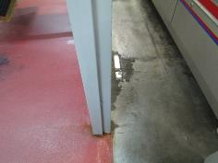
4.3 | There are no wet/dry clean transition areas on the line/system | 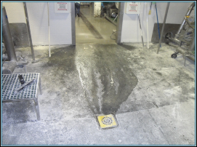
4.4 | Drain back-ups are not seen during sanitation | 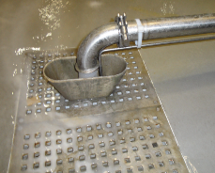 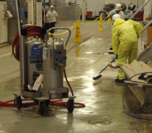
4.5 | If wet cleaning is done, sanitation chemicals are consistently used
4.6 | There is a program to reclean and/or resanitize wet cleaned equipment prior to use, if idle for >72 hours
4.7 | Sanitation protocols include a step to dry equipment and the environment prior to system start (or idle) | 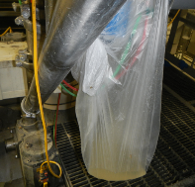
Detergent not used
4.8 | All automated washers use detergents and sanitizers or other appropriate means to reduce microbial counts and prevent growth | 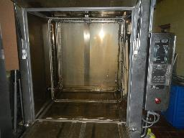
4.9 | Sanitation supplies/equipment are properly stored to allow for drying
V. Water Control Programs
5.1 | There is a routine water assessment process that is followed
5.2 | The internal GMP audit includes identification of uncontrolled moisture
5.3 | The Preventive Maintenance program addresses leaks, drips, condensation, and other sources of unacceptable moisture

